Table of Contents
Savage Prompts
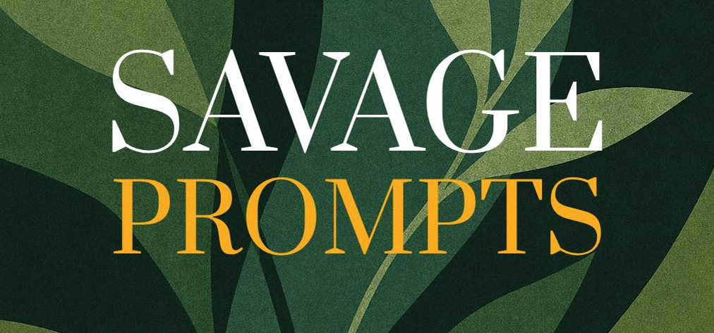
www.supergoodproduct.com
Table of Contents
1. The “Wake-Up Call” Framework
Break Free from Numbness and Reignite Your Desire to Live Fully
2. The “Inner Mirror” Framework
See the Truth of Who You’ve Become — and Who You Can Be Again
3. The “Survivor’s Code” Framework
Turn Every Scar Into Strength
4. The “30-Second Identity Reset” Framework
Shift Your Self-Talk, Posture, and Energy Instantly
5. The “No More Waiting” Framework
Break the Habit of Delaying Your Own Healing
6. The “Emotional GPS” Framework
Find Direction by Following What Hurts
7. The “Broken to Bulletproof” Framework
Rebuild Unshakable Self-Worth After Hitting Rock Bottom
8. The “Savage Morning” Framework
Design a Morning Ritual That Shocks Your Brain into Forward Motion
9. The “Fear to Fuel” Framework
Turn Anxiety into Relentless Forward Motion
10. The “Savage Reset” Framework
Rebuild Your Life in One Bold Decision at a Time
11. The “No More Mask” Framework
Drop the Persona. Reclaim Your Authentic Self.
12. The “Emotional Detox” Framework
Clear the Baggage That's Clouding Your Decisions and Energy
13. The “1-Year Deathbed” Framework
Make Every Choice Like You Only Have One Year Left
14. The “Invisible Fence” Framework
Break the Subconscious Rules That Are Controlling You
15. The “Power Recall” Framework
Take Back the Power You Gave to Others, Events, or Systems
16. The “Why I’m Still Standing” Framework
Rewrite Your Story from Survivor to Warrior
17. The “3-Word Reset” Framework
Rewire Your Mental State Using Just Three Words
18. The “Savage Declutter” Framework
Remove Mental and Emotional Weight That’s Killing Your Drive
19. The “Mirror of Truth” Framework
Have a Hard Conversation with the Person in the Mirror
20. The “Non-Negotiables” Framework
Create Unbreakable Standards that Protect Your Peace and Power
21. The “Emotional Armor” Framework
Learn How to Stay Calm and Clear Under Stress or Attack
22. The “Savage Self-Trust” Framework
Rebuild Trust with Yourself One Promise at a Time
23. The “Dark Room Decision” Framework
Make a Bold Life Move Without Needing Approval or Certainty
24. The “Quiet the Noise” Framework
Silence Outside Opinions and Reconnect With Your Own Voice
25. The “Savage Comeback Vision” Framework
Create a Visual Blueprint of Who You’re Becoming
26. The “Inner Child Firestarter” Framework
Reconnect With the Younger You Who Still Believed Anything Was Possible
27. The “Doubt Killer” Framework
Build a Mental Arsenal That Makes Self-Doubt Powerless
28. The “30-Day Savage Reset” Framework
Build a Mini Life Reinvention Plan in Just 30 Days
29. The “Energy Audit” Framework
Discover What’s Feeding You and What’s Draining You
30. The “Hell No / Hell Yes” Framework
Cut Through Confusion and Make Decisions with Clarity and Power
31. The “Radical Forgiveness” Framework
Release the Weight of Resentment That’s Been Crushing You
32. The “Unseen Wounds” Framework
Heal the Invisible Hurts That Still Shape Your Decisions
33. The “Magnetic Authority” Framework
Make People See You as a High-Status Expert Instantly
34. The “Inner Critic Interrogation” Framework
Put Your Self-Attacking Voice on Trial
35. The “One Bold Ask” Framework
Create a Habit of Courage by Asking for What You Really Want
36. The “Savage Conversations” Framework
Learn How to Say the Hard Thing With Strength and Grace
37. The “Burn the Backup Plan” Framework
Commit to Your Path Like There’s No Exit Door
38. The “Vision vs. Distraction” Framework
Train Your Brain to Prioritize What Moves the Needle
39. The “Let Them Go” Framework
Make Peace with Outgrowing People Without Guilt
40. The “Undeniable Evidence” Framework
Prove to Yourself That You’re More Capable Than You Think
41. The “Relationship Reset” Framework
Repair, Release, or Redefine a Connection That’s Draining You
42. The “Self-Image Overhaul” Framework
Upgrade How You See Yourself — and How Others See You
43. The “Micro-Win Engine” Framework
Create Daily Victories That Build Momentum and Confidence
44. The “Mental Fatigue Fix” Framework
Restore Your Focus, Fire, and Mental Clarity Without Burning Out
45. The “Unapologetic Standards” Framework
Decide What You Stand For — and Stop Explaining Yourself
46. The “Let It Be Ugly” Framework
Give Yourself Permission to Start Before You’re Ready or Perfect
47. The “From Stuck to Strong” Framework
Rebuild Yourself When You Feel Lost
48. The “Enough is Enough” Framework
Draw a Line in the Sand and Start Fresh
49. The “Discipline DNA” Framework
Install Self-Control and Consistency as a Core Trait
50. The “Legacy Seed” Framework
Clarify the One Thing You Must Leave Behind When You’re Gone
51. The “Make It Happen” Framework
Destroy Excuses and Create an Unstoppable Action Trigger
52. The “Grit Generator” Framework
Turn Mental Fatigue into Forward Pressure
53. The “Year Zero” Framework
Reset Your Life As If You Just Woke Up From a Coma
54. The “Silence the Shame” Framework
Free Yourself from the Internalized Voice of Self-Hatred
55. The “Ruthless Responsibility” Framework
Own Your Past Without Drowning in It
56. The “Truth Over Comfort” Framework
Learn to Love Brutal Honesty More Than Soothing Lies
57. The “Clock Audit” Framework
Rescue Your Time from the People, Apps, and Habits That Steal It
58. The “Sacred Space” Framework
Create an Inner and Outer Environment Where Growth Feels Inevitable
59. The “Stand Up” Framework
Stop Apologizing for Your Power, Your Presence, and Your Past
60. The “Spiritual Backbone” Framework
Connect to Something Bigger Than Yourself — Even if You Don’t Know What Yet
61. The “No More Half-Hearted” Framework
Build the Habit of Going All-In — or Not At All
62. The “Your Future Self is Watching” Framework
Make Decisions that Earn the Respect of the Future You
63. The “Wounded Genius” Framework
Use Your Struggles as Fuel for Creativity, Passion, or Impact
64. The “Dark Energy Alchemy” Framework
Channel Anger, Bitterness, or Regret Into Power Moves
65. The “Body Reset” Framework
Create Physical Habits That Pull You Out of Emotional Spirals
66. The “Face It Fully” Framework
Stop Avoiding What You Know You Must Face
67. The “Break the Pattern” Framework
Interrupt the Cycle That Keeps Repeating — and Rewrite the Ending
68. The “No One is Coming” Framework
Take Full Ownership of Your Life and Stop Waiting for Rescue
69. The “Rock Bottom Rebuild” Framework
Build a New Life Foundation from the Ashes of a Breakdown
70. The “Legacy Letter” Framework
Write the One Letter You’d Leave Behind If You Were Gone Tomorrow
71. The “Emotional Adult” Framework
Graduate from Reactivity to Emotional Leadership
72. The “Peace Over Performance” Framework
Choose Inner Peace Over Impressing People Who Don’t Matter
73. The “High-Standards, Low-Attachment” Framework
Expect Big Things Without Losing Yourself When They Don’t Happen
74. The “Hard Truth Inventory” Framework
Audit Your Life With Brutal Honesty — and No Excuses
75. The “No Is Sacred” Framework
Reclaim the Power of Saying No Without Guilt or Explanation
76. The “Life System Reboot” Framework
Design Routines That Actually Match Your Future Self
77. The “Delay the Reaction” Framework
Train Yourself to Respond — Not React — Under Pressure
78. The “Savage Reset Challenge” Framework
Do One Hard Thing for the Next 7 Days to Prove You’re Back
79. The “Energy First” Framework
Design a Life That Protects and Prioritizes Your Energy
80. The “Emotional Toolbox” Framework
Equip Yourself with Tools to Handle Any Storm
81. The “Start Ugly, Finish Epic” Framework
Break Through Perfection Paralysis and Create Momentum
82. The “Truth Teller” Framework
Make Your Life Match What You Say You Believe
83. The “Spine Over Smile” Framework
Stop Being Nice at the Cost of Your Integrity
84. The “Purpose Pull” Framework
Use Vision to Pull You Out of Overwhelm and Inertia
85. The “Flip the Failure” Framework
Turn Setbacks into Fuel for Reinvention
86. The “Zero Input” Framework
Disconnect and Let Your Inner Voice Lead for Once
87. The “Now You Know” Framework
Accept That You Can’t Go Back to Who You Were Before
88. The “Savage Integrity” Framework
Live Like Someone Who Can’t Be Bought, Bullied, or Bluffed
89. The “When I’m at My Best” Framework
Rediscover the Conditions That Make You Unstoppable
90. The “Stay Savage” Framework
Create a Personal Manifesto That Keeps You Unstoppable
91. The “Radical Alignment” Framework
Align Every Part of Your Life Around What Matters Most
92. The “Quiet Confidence” Framework
Learn to Feel Powerful Without Needing to Prove Anything
93. The “Command the Room” Framework
Walk Into Any Space With Presence, Posture, and Authority
94. The “Turn the Page” Framework
Give Yourself Permission to Start Again — Even If You Failed Yesterday
95. The “Unbreakable Code” Framework
Write the Rules You’ll Live By — Even When Life Gets Hard
96. The “One Savage Year” Framework
Design a Vision for a Year That Changes Everything
97. The “Ask and Receive” Framework
Learn How to Ask Boldly — and Be Open to Receiving Fully
98. The “Stop Lying to Yourself” Framework
Cut the Self-Delusion and Tell the Full Truth
99. The “You Are the Source” Framework
Stop Looking for Permission, Energy, or Leadership Outside Yourself
100. The “Savage Completion” Framework
Integrate Everything You’ve Learned Into the Next Chapter of Your Life

